Adams Street 31 March 22
Adams Street Private Equity fund 31 March 2022

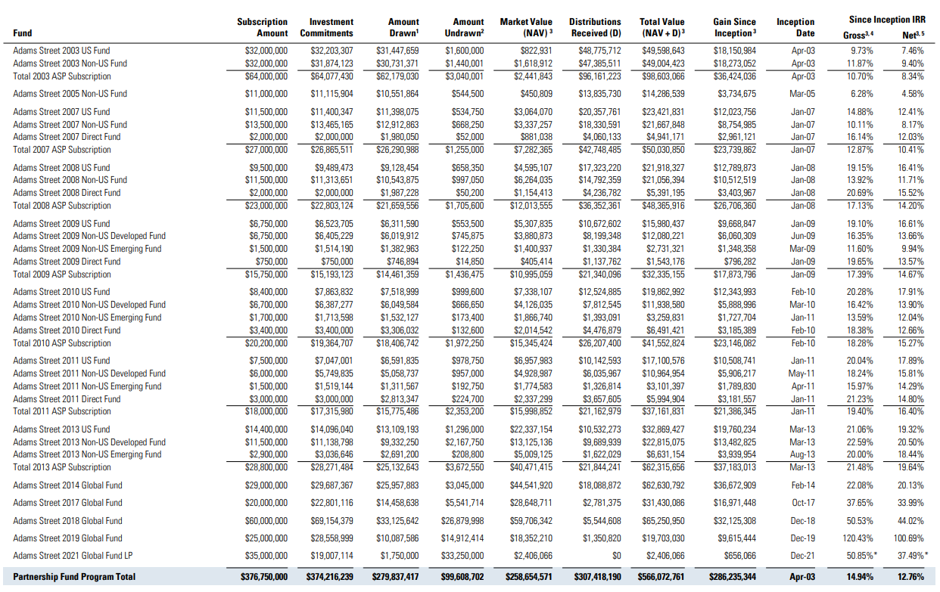

HarbourVest 31 March 22
