Harbourvest
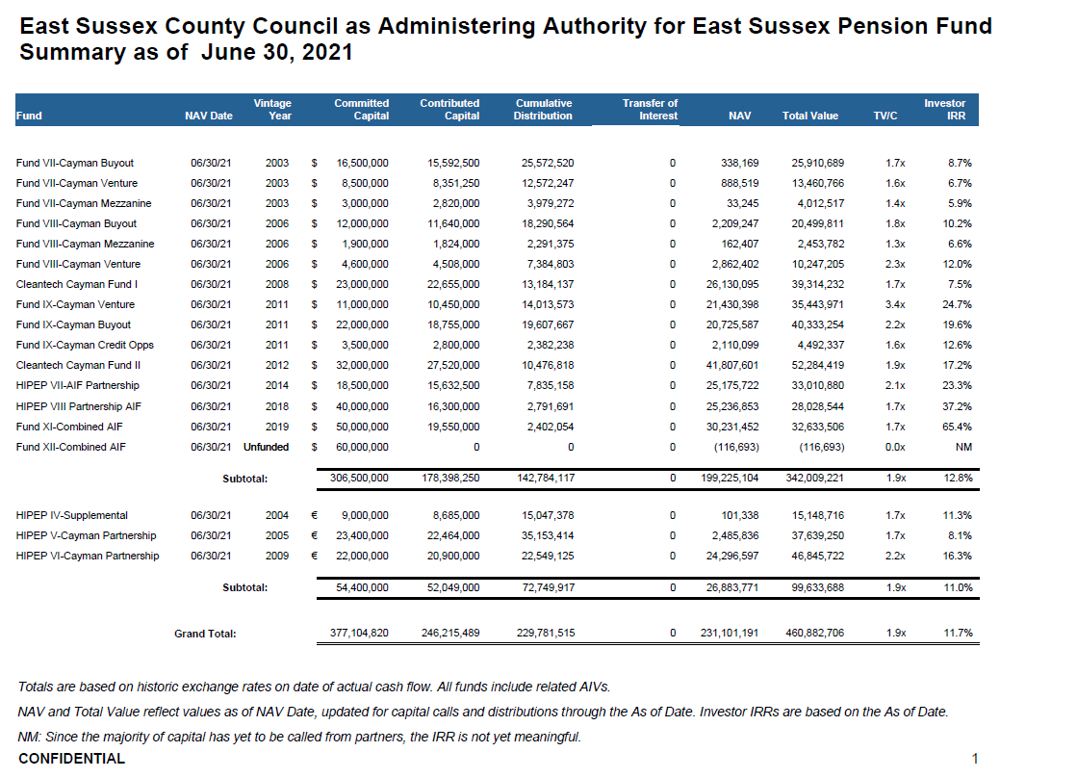

The information supplied does not accurately reflect the current or expected performance of the fund in question, should not be used to compare returns among multiple private equity funds, and has not been calculated, reviewed, verified or in any way sanctioned or approved by HarbourVest Partners. This information is solely for use by East Sussex Pension Fund and is not to be used for any commercial purpose or gain.

